SPRINT
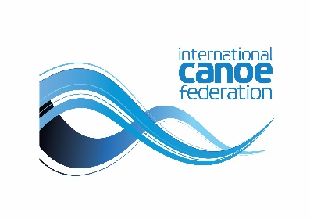
2019 ICF CANOE SPRINT & PARACANOE WORLD CUP
POZNAN, POLAND 23-26.05.2019

Polish Canoe Federation
registration@pzkaj.pl
tel./fax: +48 22 837 14 70
mob.: +48 695 795 255
www.pzkaj.pl

SPRINT - PRELIMINARY ENTRY FORM

FEDERATION INFO: | Name:
 | Country:
 | Contact person:
 | E-mail:
 | Phone:

TEAM MEMBERS:
 |  | MEN |  | WOMEN |  | TOTAL
Competitors: |  |  |  |  |  | 0
Coaches: |  |  |  |  |  | 0
Team Leader: |  |  |  |  |  | 0
President: |  |  |  |  |  | 0
Secretary General: |  |  |  |  |  | 0
Other: |  |  |  |  |  | 0
TOTAL: |  | 0 |  | 0 |  | 0

 | Date of arrival: |  |  |  | Date of departure:
 |  | plane |  |  |  | plane
 |  | train |  |  |  | train
 |  | bus/car |  |  |  | bus/car

TEAM LEADER | Name:
 | E-mail:
 | Phone:

INTEREST OF BOAT RENTAL: |  |  | yes |  |  | no

DATE: |  |  | SIGNATURE:

Deadline for preliminary entry form: 04.03.2019

